Defect report
Bug ID | Priority | Description | Pre-requisites | Tests to Reproduce | Expected Result | Actual Result | Status | Executed by | Broswer/ Device | Attachements | Comments
BG_01 | HIGH | Verify whether the user is able to login by entering case-sensitive mail id and valid username | Open the browser and enter the URL https://tutorialsninja.com/demo/index.php?route=common/home | Enter the test data in each input field box click on login | user should not be able to login and an error messages should appear saying no match for email and password | user is able to login successfully | FAIL | RAJESH | chrome/windows 11 | 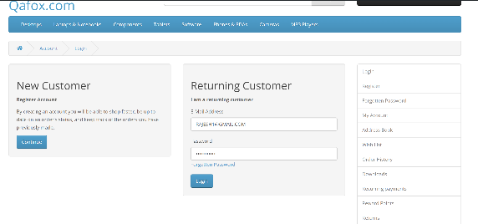
BG_02 | HIGH | Verify wheather the user is able to login by entering white spaces in mail id | Open the browser and enter the URL https://tutorialsninja.com/demo/index.php?route=common/home | Enter the test data in each input box click on login | All the leading and traling space should be removed and user should be able to login successfully | user is not able to login successfully | FAIL | RAJESH | chrome/windows 11
BG_03 | HIGH | Verify the user is redirecting to the homepage after successful login | Open the browser and enter the URL https://tutorialsninja.com/demo/index.php?route=common/home | Enter the test data in each input box click on login | User should be redirected to the homepage | user is redirecting to the my account section | FAIL | RAJESH | chrome/windows 11
BG_04 | HIGH | verify wheather the user is able to login after sending forget password request | Open the browser and enter the URL https://tutorialsninja.com/demo/index.php?route=common/home | click on forget password button Enter the registered email from test data click on continue button enter the test data in each input box click on login | user should not able to login | user is able to login successfully | FAIL | RAJESH | chrome/windows 11

